TECH SHEET
DATE | 2026-02-28
SEASON | AW26/27 PPS INSTRUCTION
CUSTOMER/LABEL | THE JACKIE LEATHER
SUPPLIER | PAKKAR
STYLE NAME | REESE MIX
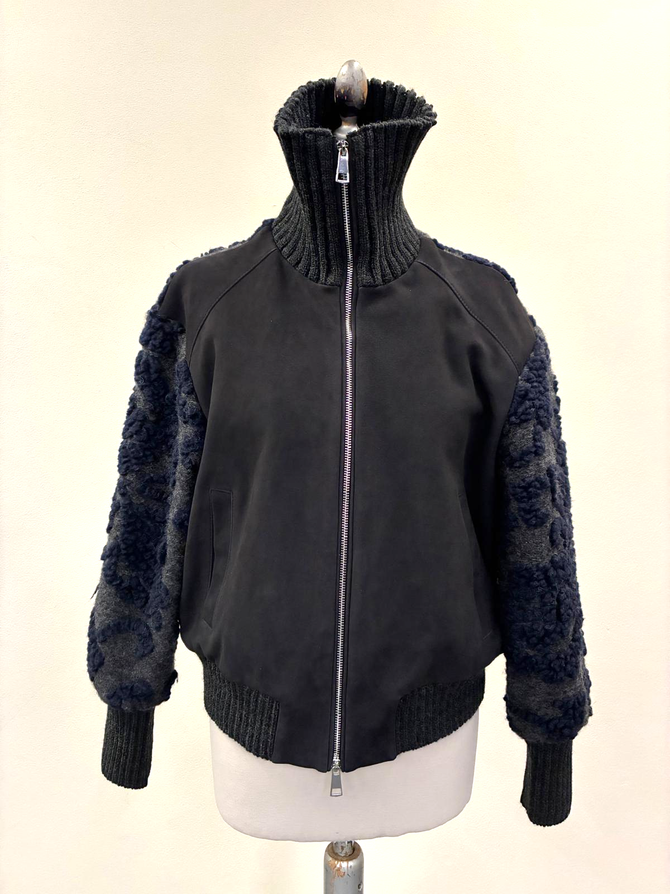 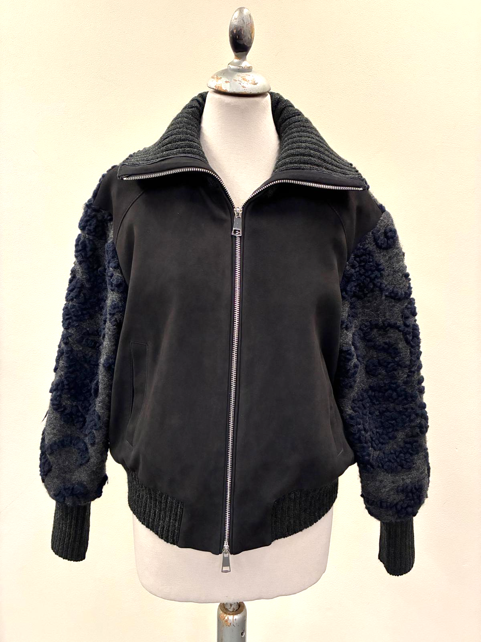 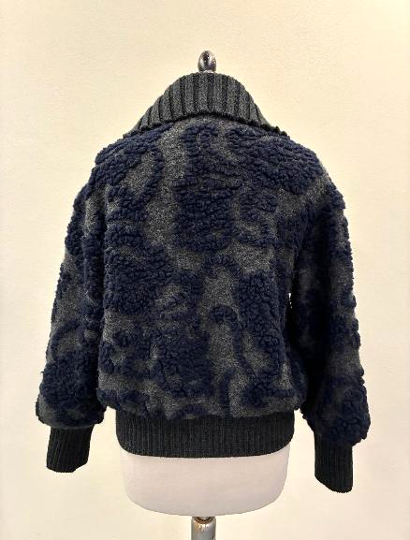 PICTURES
LEATHER QUALITY | FRONT PANEL IN GOAT SUEDE SUEDE SHOULD BE BRILLANT, WRITING EFFECT AND SOFT TOUCH, NOT BUSHY IT MUST HAVE SHORT _AVOID FADED COLOR SKINS, AVOID MISMATCHING COLOR PANELS -> PAY ATTENTION SUEDE SUBSTANCE: 0,8/0,85 MM max -> SMS SUBSTANCE IS TOO HIGH, FOR PPS AND BULK LEATHER SUBSTANCE SHOULD BE LESS THAN 1 MM_ PLEASE USE THE RIGHT SUBSTANCE OF LEATHER REQUIRED + *BACK + SLEEVES IN FABRIC art.JAMBO JAC 1841/2 -> PROVIDED BY US + BOTTOM BODY, CUFF AND COLLAR WITH RIB >>FOR SUEDE AND FABRIC/RIB COLOR COMBIANTION FOR BULK PLEASE FOLLOW THE SCHEME BELOW > AVOID FOLD LEATHER MARKS > AVOID PACKAGING FOLD MARKS > AVOID VEIN MARKS > AVOID STAINS > AVOID BACK BONE MARKS ON SUEDE
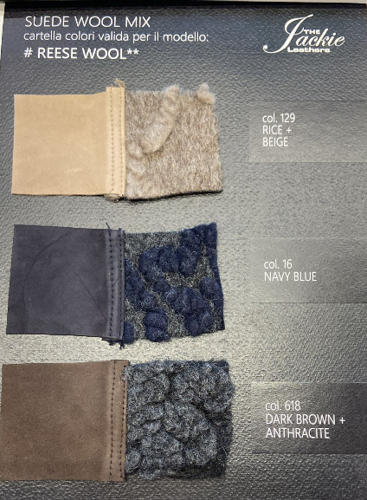
col.129 RICE + FABRIC col.BEIGE
col.16 NAVY BLUE + FABRIC col.BLUE
col.618 DARK BROWN + FABRIC col.GREY
COLOUR | > col.129 RICE + FABRIC col.BEIGE -> PLEASE FOLLOW THE SUEDE SWATCH SENT YOU FOR CORRECT COLOR REFERENCE > col.16 NAVY BLUE + FABRIC col.BLUE -> FOR CORRECT SUEDE COLOR TONE PLEASE FOLLOW SMS style#REESE MIX seal n°408 SENT BACK FOR REFERENCE > col.618 DARK BROWN + FABRIC col.GREY -> FOR CORRECT SUEDE COLOR TONE PLEASE FOLLOW SMS style#ADELE KNIT seal n°409 SENT BACK FOR REFERENCE
PATTERN | DISREGARDS THE SMS PATTERN, IT'S NOT VALID ANYMORE TO MAKE PPS PLEASE USE CORRECT PATTERN name#REESE-19-02-26-ZZ SENT BY E-MAIL USING THE CORRECT PATTERN PLEASE PROCEED WITH A PPS size 42 col.BLUE NAVY+BLUE/GREY FABRIC FOR FINAL FITTING AND WORKMANSHIP APPROVAL

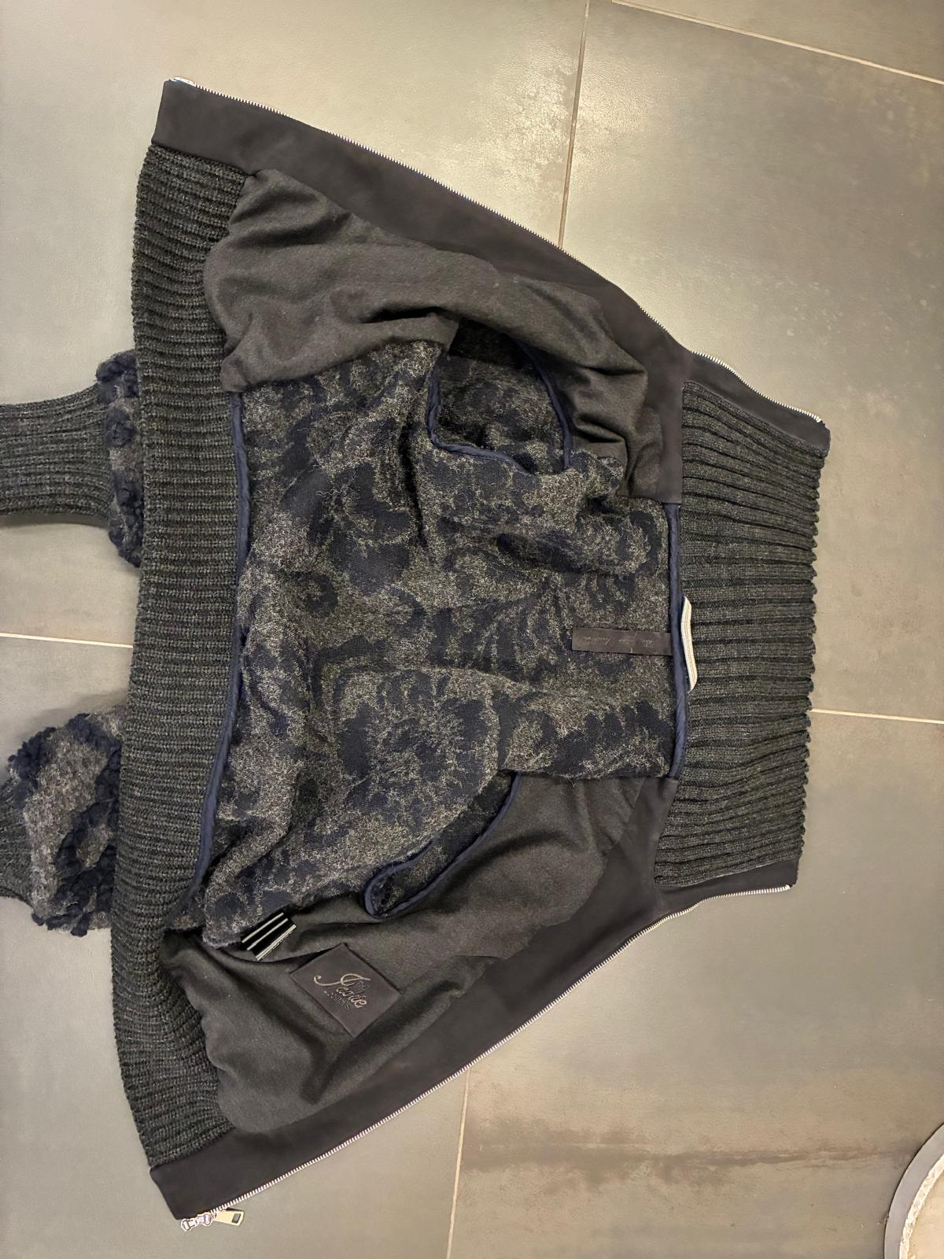 BODY AND SLEEVE LINING | FRONT PANEL IN SUEDE LINED *FOR LINING PLEASE USE art. ELASTOFLAN -> PROVIDED BY US > for color combination between suede and lining please check scheme above *FRONT FACING IN SUEDE -> OK AS PER SMS BACK AND SLEEVES IN FABRIC art.1841/2 JAMBO JAC UNLINED -> PROVIDED BY US -> OK AS PER SMS > for color combination between suede and art.JAMBO JAC fabric please follow scheme above BOTTOM BODY AND CUFF WITH RIB > BOTTOM RIB JOINT, BACK NECKLINE, ARMHOLE AND CUFF JOINT SHOULD BE BORDERED WITH NICE QUALITY OF COTTON BIAS, MATCHING LEATHER COLOR -> PROVIDED BY YOU -> OK WORKMANSHIP AS PER SMS | 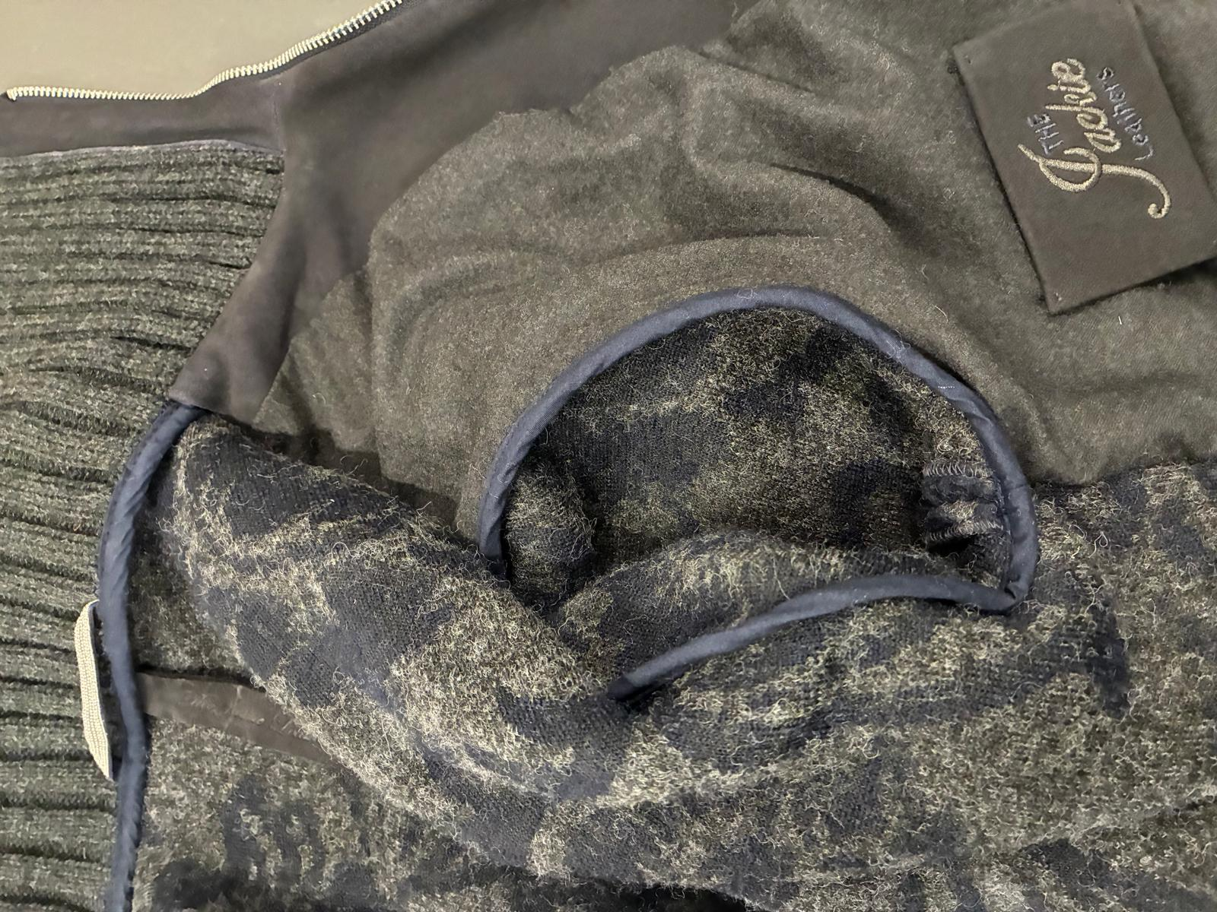 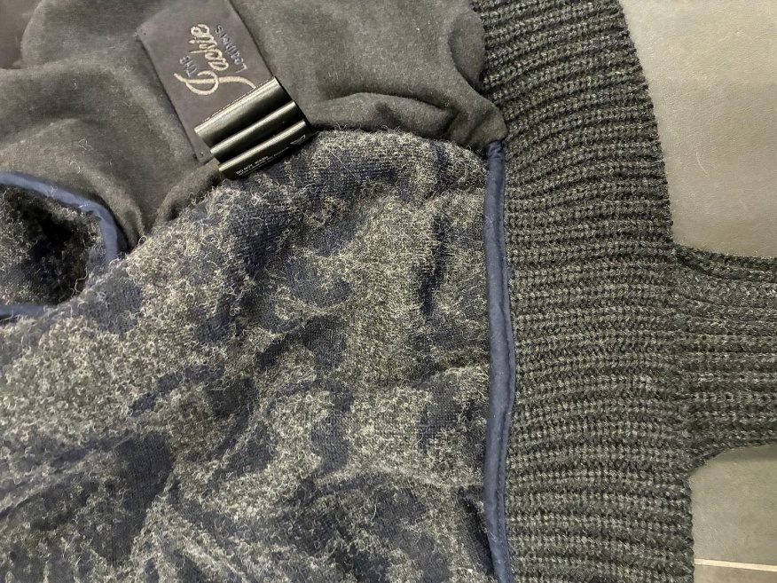 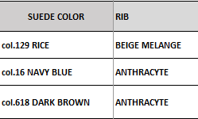 | 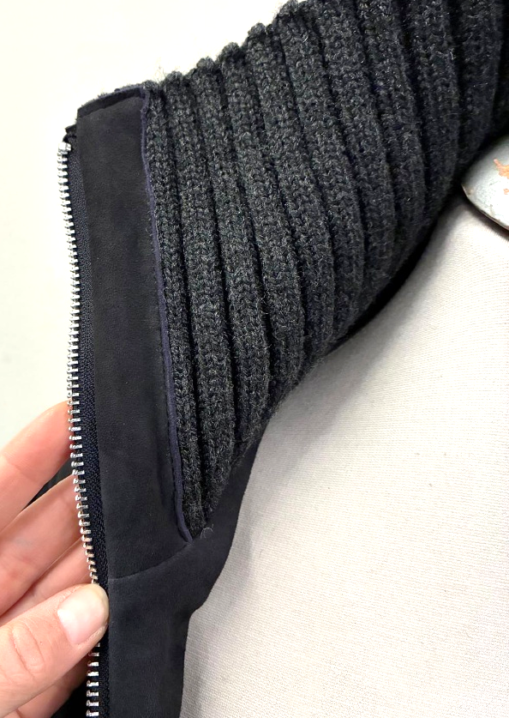
RIB | *BOTTOM BODY AND CUFF WITH RIB: -> OK AS PER SMS > ACRYLIC YARN > ENGLISH KNIT > SINGLE LAYER >> for suede and rib color combination for bulk please follow the information at scheme above *BOTTOM BODY RIB: HEIGHT 8 CM VISIBLE *CUFF RIB : HEIGHT 12 CM VISIBLE >>OK RIB HEIGHT AS PER SMS *COLLAR IN RIB -> OK KNITTING AS PER SMS > ACRYLIC YARN > RIB 3:3 > SINGLE LAYER >> for suede and rib color combination for bulk please follow the information at scheme above >>AT FRONT JOINT, ZIPPER RIBBON COVERED WITH SMALL SUEDE STRIPE TO WELL FINISH IT -> OK AS PER SMS PLEASE TO PASS THIS KNIT ORDER TO PRINCE SUPPLIER
ACCESSORIES | FOR MAIN CLOSURE PLEASE USE METAL ZIPPER SBS N°5 DOUBLE SLIDER IN HIGH SHINY NICKEL FINISHING -> PROVIDED BY YOU -> OK AS PER SMS *ZIPPER RIBBON MATCHING LEATHER COLOR, NOT DYED *SQUARED SHAPE FOR METAL SLIDER, TOP AND LOWER -> OK PULLER SHAPE AS PER SMS *LEATHER PIPING AT BOTH SIDES OF MAIN ZIPPER -> OK AS PER SMS
IMPROVE THE EMBROIDERY QUALITY, THE WORDS ON SMS ARE NOT READABLE,
YOU SHOULD IMPROVE IT FOR PPS AND BULK
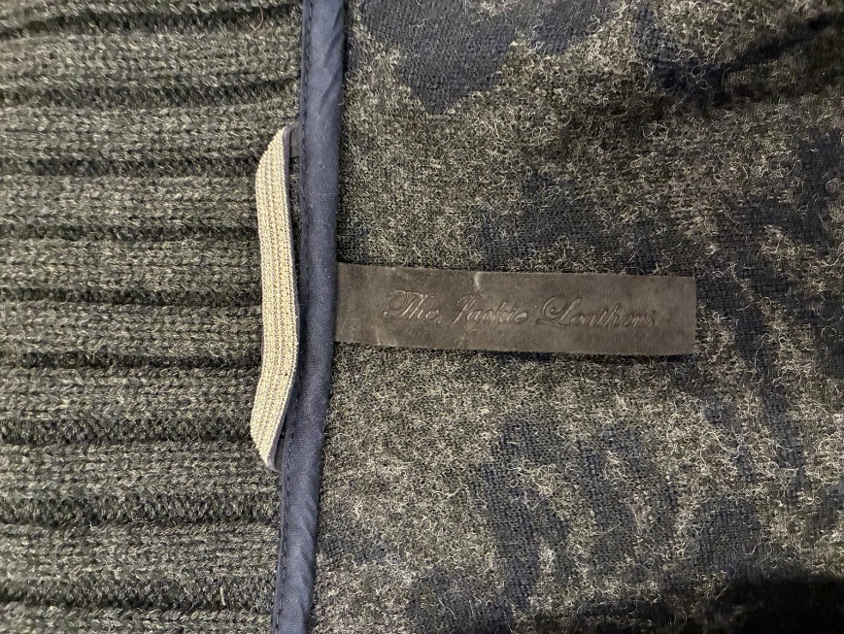 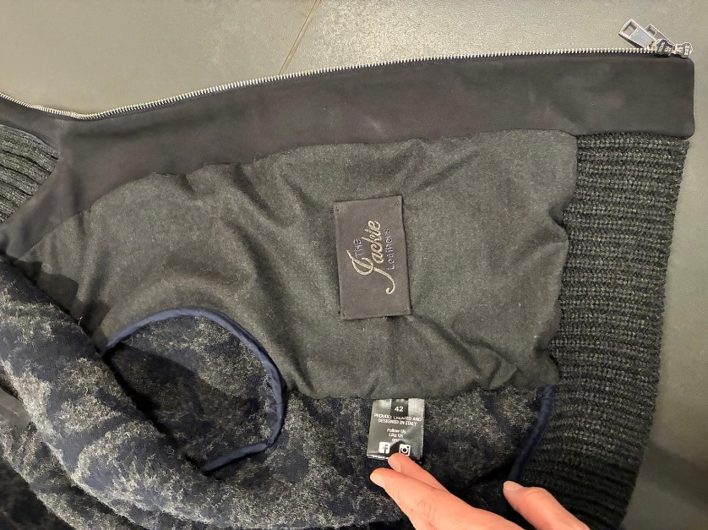 LABELLING----REESE MIX | *1) EMBOSSED MAIN LABEL -> SMS LABEL IS TOO THICK, YOU MADE 3 LAYERS OF SUEDE, NOT CORRECT, FOR PPS AND BULK PLEASE MAKE IT ONLY WITH 2 LAYERS >THE EMBOSSED LABEL SHOULD BE STITCHED PERFECTLY CENTERED ON C.BACK AND IT SHOULD BE STRAIGHT - EMBOSSED LOGO "THE JACKIE LEATHERS" ON DOUBLE LAYERS OF LEATHER PASTED TOGHETHER -SHOULD BE STITCHED TO THE COLLAR FACING IN VERTICAL WAY -PLEASE CUT MAIN LABEL SMALL AS MUCH POSSIBLE, LEAVING READABLE THE LOGO CM 10 X CM 2 *2) EMBRODERY MAIN LABEL ->IMPROVE THE EMBROIDERY QUALITY, THE WORDS ON SMS ARE NOT READABLE, YOU SHOULD IMPROVE IT FOR PPS AND BULK PLEASE MAKE THE LOGO "THE JACKIE LEATHERS" EMBROIDERED ON A LEATHER PATCH TO BE STITCHED ON LEFT POCKET'S BAG, CENTERED > LABEL SIZE 9,5 cm width X 5,5 cm high >"THE" AND "LEATHERS" EMBROIDERED WITH THREAD MATCHING LEATHER COLOR >"JACKIE" EMBROIDERED WITH THREAD MATCHING LINING COLOR >FOLDED EDGES FIXED BY HANDS STITCH IN DIAGONAL IN THE ANGLES LEATHER HANGTAG WITH EMBRODERY HAVE THE EQUAL INSTRUCTION OF 2nd MAIN LABEL'S EMBRODERY > HANTAG IN LEATHER TREATED SAME AS PER GARMENT > HANTAG SIZE 13 cm width X 6 cm high > BACK PART SHOULD BE IN JERSEY USED FOR BONDING , FOLDED INSIDE, NOT CLEAN CUT -> PROVIDED BY YOU > FRONT AND BACK LAYERS SEW TOGHETHER ALL AROUND WITH 3mm STITCHING FROM THE EDGE. > STITCHING SHOULD BE MATCHING LEATHER COLOUR >LEATHER HANG TAG with nickel eyelet THE CARTON HANGTAGS INFORMATION DOCUMENTS WILL BE SENT LATER AND THE CARTON TAGS ATTACHED TO SMS ARE NOT TO BE USE AS A REFERENCE FOR PRODUCTION -------------------------------------- *PRINTED LABELS SEW AT LEFT WORN SIDE 1st PLACE *SIZE LABEL 2nd PLACE *FACEBOOK INSTAGRAM 3rd PLACE *IMPORTED BY 4th PLACE *WASH CARE LABEL 5th PLACE *MADE IN INDIA *THE PRINTED LABELS, PROVIDED BY YOU, SHOULD HAVE BLACK GROUND AND WHITE LETTERING STITCHED AT LEFT POCKET BAG MARGIN AT 10 CM FROM BOTTOM

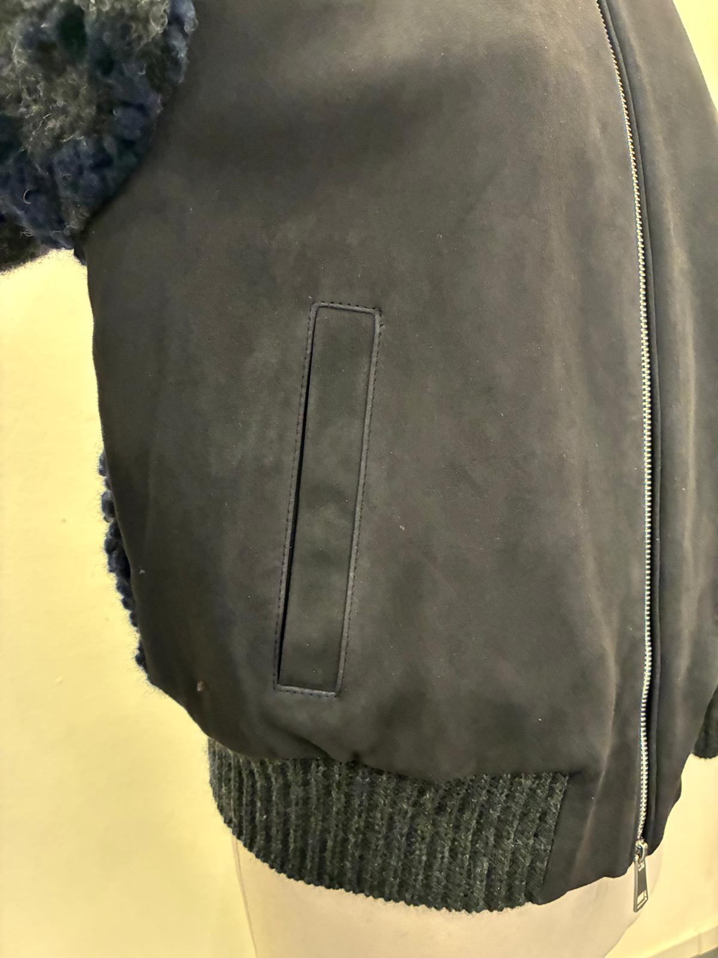 POCKETS | > LEATHER WELT IN DOUBLE LAYER OF SUEDE, CLEAN CUT WORKMANSHIP VISIBLE STITCHING AT THE EDGE ALL AROUND -> OK AS PER SMS *FOR POCKET BAG PLEASE USE A NICE QUALITY OF POLYESTER FABRIC MATCHING TO THE LEATHER COLOR -> PROVIDED BY YOU -> OK AS PER SMS
STITCHING | OK STITCHING AS PER SMS *FRONT PANEL IN SUEDE > NORMAL SEAMS WITH VISIBLE STITCHING AT 0,2 CM FROM THE EDGE AT FRONT YOKE AND POCKET ENTRANCE -> OK AS PER SMS > NORMAL SEAMS NO VISIBLE STITCHING AT SHOULDER, ARMHOLE, FRONT ZIPPER AND BOTTOM *FOR VISIBLE STITCHED PLEASE USE NICE QUALITY OF THREAD MATCHING LEATHER AND FABRIC COLOR -> OK THREAD QUALITY USED ON SMS
 | *LEATHER LOOP WITH "BIG CHAIN" ATTACHED OVER > "BIG CHAIN" SILVER FINISHING -> PROVIDED BY US >THE FINAL LENGTH OF LOOP SHOULD BE 8 CM LONGER , FROM SIDE TO SIDE -> SMS LOOP IS TOO LONG, PAY ATTENTION TO MAKE IT WITH CORRECT LENGTH REQUIRED FOR PPS AND BULK >>PAY ATTENTION TO STICH THE LOOP PERFECTLY CENTERED TO THE BACK PANEL >>TO SEW THE CHAIN PLEASE USE A LIGHT THREAD col.LIGHT GREY IN ORDER TO BE LESS VISIBLE AS POSSIBLE THROUGH THE TRIMMING >>PAY VERY ATTENTION TO DON'T CANCEL THE SHINY FINSIHING OF CHAIN DURING THE ASSEMBLING SECTION WITH GLUE OR WAXE
 | GENERAL WORKMANSHIP MUST BE CLEANED AND PRECISE > PAY ATTENTION TO DON'T BREAK THE LEATHER AROUND STITCHING > PAY ATTENTION TO AVOID GATHERING AROUND NECKLINE RIB JOINT > TAKE CARE TO DON'T CARRY ON THE TAPE USED FOR BORDERING INSIDE SEAMS ALLOWANCE > AVOID SILVER PEN MARKS ON SUEDE > AVOID PENDING YARNS > ALL STITCHING SHOULD BE WELL FIXED UNTIL THE END > PAY ATTENTION TO DON'T LEAVE VISIBLE FLYING THREAD ON RIB_ TAKE CARE DURING THE ASSEMBLING SECTION
PACKING & SHIPMENT IMPROVE PACKING/PROCESS TO PREVENT DEEP MARKS TAKE CARE TO PROTECT HANGED LABELLING IN ORDER TO DO NOT LEAVE IMPRESSION ON THE JACKET

